Sheet1
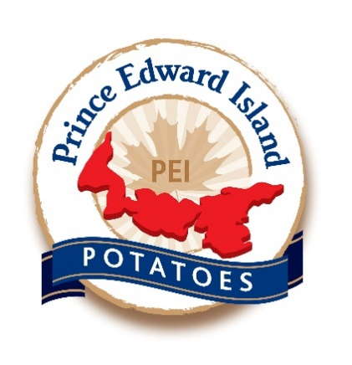
Nutrient Removal Calculator |  | developed by Ryan Barrett, Prince Edward Island Potato Board

 |  | ton/bale | $ N+P+K/ton | $ P+K/ton |  | lbs/ton |  |  | $/ton
Crop Choice | Barley straw | 0.375 | $50.44 | $37.84 |  | N | P2O5 | K20 | N from Urea | P2O5 | K20 | Total | Total P + K | lbs per 4x5 round bale | DM % | lbs DM per bale | tons/bale
 |  |  |  |  | Barley straw | 13 | 5.2 | 39 | 12.60 | 6.15 | 31.69 | 50.44 | 37.84 | 750 | 1 | 750 | 0.38
 | Bales/Acre (4 x 5 ft) | # of tons | $ N+P+K/ac | $ P+K/ac | Wheat straw | 15 | 3.8 | 30 | 15.53 | 4.50 | 24.38 | 44.40 | 28.87 | 750 | 1 | 750 | 0.38
 | 5 | 1.875 | $94.58 | $70.95 | Oat straw | 12 | 6.3 | 37 | 10.96 | 7.45 | 30.06 | 48.48 | 37.52 | 750 | 1 | 750 | 0.38
 |  |  |  |  | Alfalfa Hay | 51 | 12 | 49 | 53.20 | 14.20 | 39.81 | 107.21 | 54.01 | 1000 | 0.85 | 850 | 0.43
 |  |  | $ N+P+K/bale | $ P+K/bale | Red Clover Hay | 45 | 12 | 42 | 46.31 | 14.20 | 34.13 | 94.63 | 48.32 | 1000 | 0.85 | 850 | 0.43
 |  |  | $18.92 | $14.19 | Grass Hay | 34 | 10 | 43 | 34.57 | 11.83 | 34.94 | 81.34 | 46.77 | 900 | 0.85 | 765 | 0.38
 |  |  |  |  | Sorghum Sudan Baleage | 30 | 9.5 | 34 | 30.20 | 11.24 | 27.63 | 69.07 | 38.87 | 1650 | 0.5 | 825 | 0.41
Value of Urea (46-0-0) | 1165 | May'23 |  |  | Alfalfa Baleage | 51 | 12 | 49 | 53.20 | 14.20 | 39.81 | 107.21 | 54.01 | 1750 | 0.5 | 875 | 0.44
Value of DAP (18-46-0) | 1200 | May'23 |  |  | Red Clover Baleage | 45 | 12 | 42 | 46.31 | 14.20 | 34.13 | 94.63 | 48.32 | 1750 | 0.5 | 875 | 0.44
Value of KCl (0-0-60) | 1075 | May'23 |  |  | Grass Baleage | 34 | 10 | 43 | 34.57 | 11.83 | 34.94 | 81.34 | 46.77 | 1650 | 0.5 | 825 | 0.41

$/lb of N from Urea | 1.149
$/lb of P2O5 | 1.183
$/lb of K20 | 0.813

Developed for the Agronomy Inititative for Marketable yield (AIM) - April 2022
Updated April 21st, 2022

